READ ME
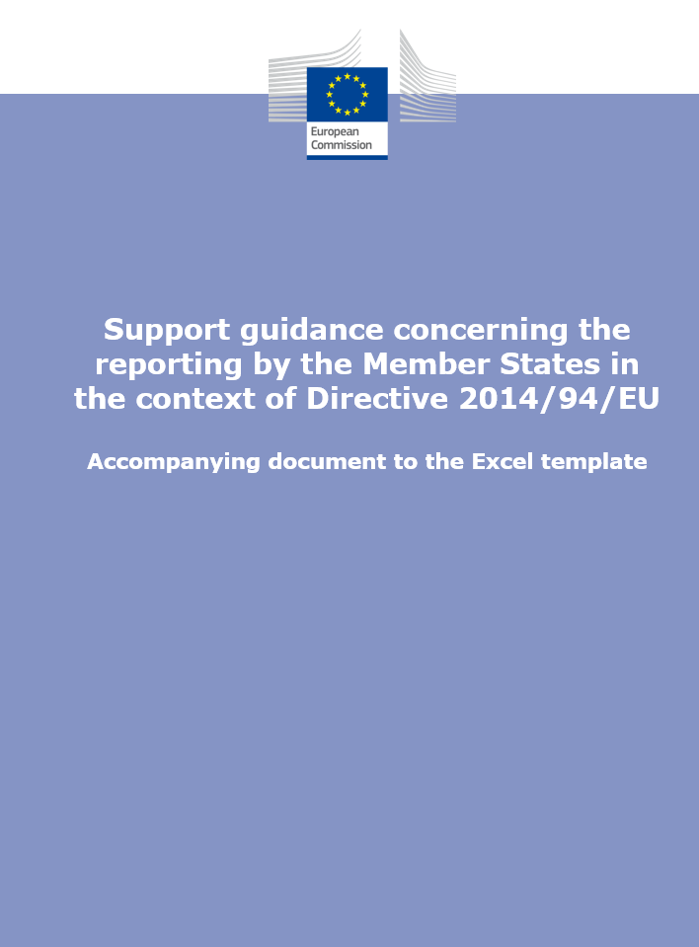
Disclaimer
This non-binding, but recommended, Excel® template is intended to help Member States to comply with Article 10 of Directive 2014/94/EU.

Instructions
1. To adequately fill in this template, please follow the guidance offered in the accompanying document 'Support Guidance concerning the reporting by the Member States in the context of Directive 2014/94/EU'.
2. Once this template has been comprehensively filled in, paste each table in your report on the implementation of the national policy framework.

Contents
1. Legal measures
2. Policy measures
3. Deployment and manufacturing
4. RTD&D
5a. AFV estimates
5b. AFI targets
6. AFI developments
Abbreviations
References
Menus

